Project Management Survey
Google Forms Questions/Responses
How did you discover/acquire your current Project Management Position? | LinkedIn daily job email | I gained relevant experience through marketing and project coordinator roles and then searched and searched. | I was promoted to Project Manager after working under senior engineers and after obtaining a license to practice as a professional engineer
What was your major in College? | Business | Communication/Advertising | Civil Engineering
Do you believe that your degree has helped you to become a better Project Manager? Why? | No. I've done project management for 15 years I've only had my degree for 3. While it didn't make me a better project manager having both the degree and the certification has made me much more marketable. At much higher pay. I strongly recommend designations and certifications to add to your degree. HIGHLY RECOMMEND it. Six Sigma should be right after PMP. In fact you should join PMI while you're still a student because it's cheaper. | In some ways. My degree is very relevant to my industry, and it helped me learn communication strategies. Most of what I do, and any "hard" skills" I learned on the job. | Yes. It was essential. It provided the technical basis for me to understand project design and I also learned basic project management skills as part of my schooling. | 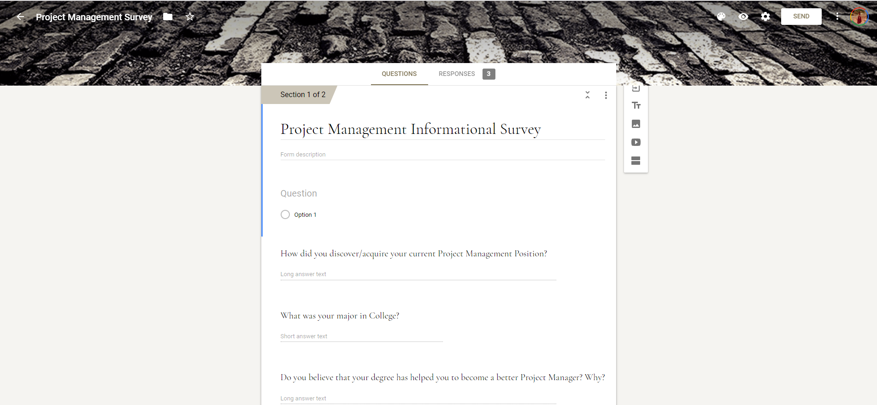
Did you have any Certifications BEFORE applying for your current Project Management Position? | No | No | Professional Civil Engineering License
Were you required to get any Certifications after accepting your Project Management Position? If so, what were they? | I went for data analytics and 6 Sigma | No | No
What do you wish you had known before becoming a Project Manager? | 6 Sigma | Briefs, SOWs, and PM software are large parts of my job that I never learned in school. I also manage budgets and hours. That's another huge thing that wasn't covered in school. | The importance of the non-technical elements of a project (schedule, budget, communication)
What skills do you think are most important for becoming an exceptional Project Manager? | Persuasion skills & the ability to manage people. Most project managers are not functional managers, Meaning they have to compete and persuade people to do work for the project as those people often have responsibilities with their regular job. | Communication, timeliness, work ethic, planning, organized (can stay up to date on up to 50 projects). Being able to delegate and take ownership are huge things. I've found that not a lot of companies have really standardized PM roles, so you should have the ability or be willing to create standardized processes. | Persistence, determination, patience, detail-oriented

